U.S.ATHLETIC ORIGINAL
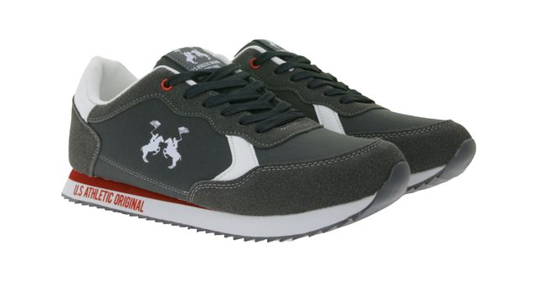
PHOTO | BRAND | COLOUR | SIZE | SIZE | SIZE | SIZE | SIZE | SIZE | TOTALE | RRp. | TOTALE
 |  |  | EU 40 | EU 41 | EU42 | EU 43 | EU 44 | EU 45 |  |  | RRp.

 | U.S. ATHLETIC ORIGINAL | GREY | 21 | 55 | 86 | 75 | 35 | 5 | 277 | 129,00 € | 35733,00 €

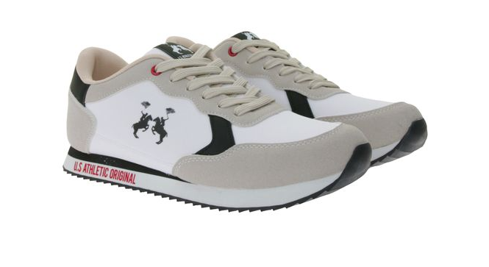

 | U.S. ATHLETIC ORIGINAL | WHITE | 20 | 54 | 78 | 55 | 26 | 7 | 240 | 129,00 € | 30960,00 €

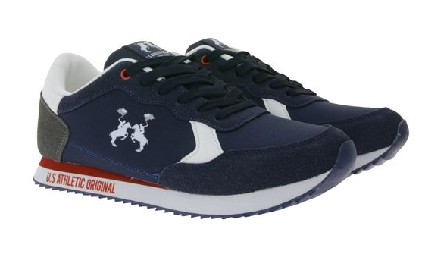

 | U.S. ATHLETIC ORIGINAL | BLU | 15 | 41 | 59 | 51 | 27 | 25 | 218 | 129,00 € | 28122,00 €

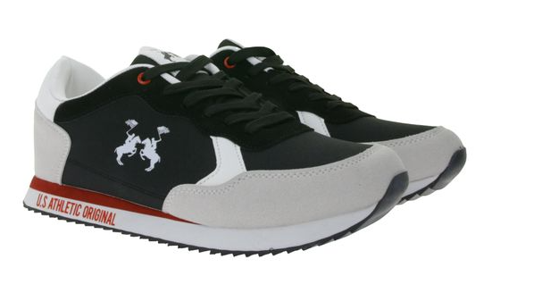

 |  |  |  |  |  |  |  |  |  |  |  | U.

 | U.S. ATHLETIC ORIGINAL | BLACK | 25 | 54 | 76 | 53 | 33 | 3 | 244 | 129,00 € | 31476,00 €

 |  |  |  |  |  |  |  |  | 979 |  | 126291,00 €

